Sheet1
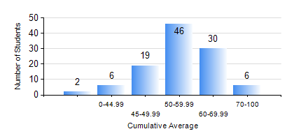
 |  |  | KWAME NKRUMAH UNIVERSITY OF SCIENCE AND TECHNOLOGY, KUMASI Department of Agricultural and Biosystems Engineering

 |  |  | BSC. AGRICULTURAL ENG.

 |  |  | COMPREHENSIVE RECORD OF EXAMINATION RESULTS

 |  |  | RESULTS OF YEAR 2 SECOND SEMESTER, 2024/2025 ACADEMIC YEAR

 | Sn | Course Code |  | Course Name | Credit Hours | Min. Mark | Max. Mark | Avg. Mark | Std. Dev. | No. Passed | No. Trailed | No. (Df) | No. (I) | No. (I*) | No. Tagged(I,I*,Df) | Total
 | 1. | EE 252 |  | ELECTRICAL ENGINEERING MACHINES | 3 | 28 | 71 | 43 | 8.07 | 85 | 24 | 0 | 0 | 0 | 0 | 109
 | 2. | ENGL 264 |  | LITERATURE IN ENGLISH II | 1 | 33 | 80 | 63 | 9.88 | 107 | 2 | 0 | 0 | 0 | 0 | 109
 | 3. | GE 286 |  | PRINCIPLES OF SURVEYING | 4 | 21 | 92 | 59 | 15.8 | 98 | 11 | 0 | 0 | 0 | 0 | 109
 | 4. | MATH 252 |  | CALCULUS WITH SEVERAL VARIABLES | 4 | 25 | 69 | 50 | 9.25 | 103 | 6 | 0 | 0 | 0 | 0 | 109
 | 5. | ME 262 |  | THEORY OF MACHINES | 3 | 21 | 61 | 42 | 7.36 | 99 | 10 | 0 | 0 | 0 | 0 | 109
 | 6. | ME 282 |  | MECHANICAL ENGINEERING MATERIALS II | 3 | 31 | 75 | 57 | 8.71 | 107 | 2 | 0 | 0 | 0 | 0 | 109
 | 7. | ME 296 |  | MECHANICAL ENGINEERING LAB. II | 1 | 65 | 76 | 71 | 3.06 | 109 | 0 | 0 | 0 | 0 | 0 | 109

